EUR
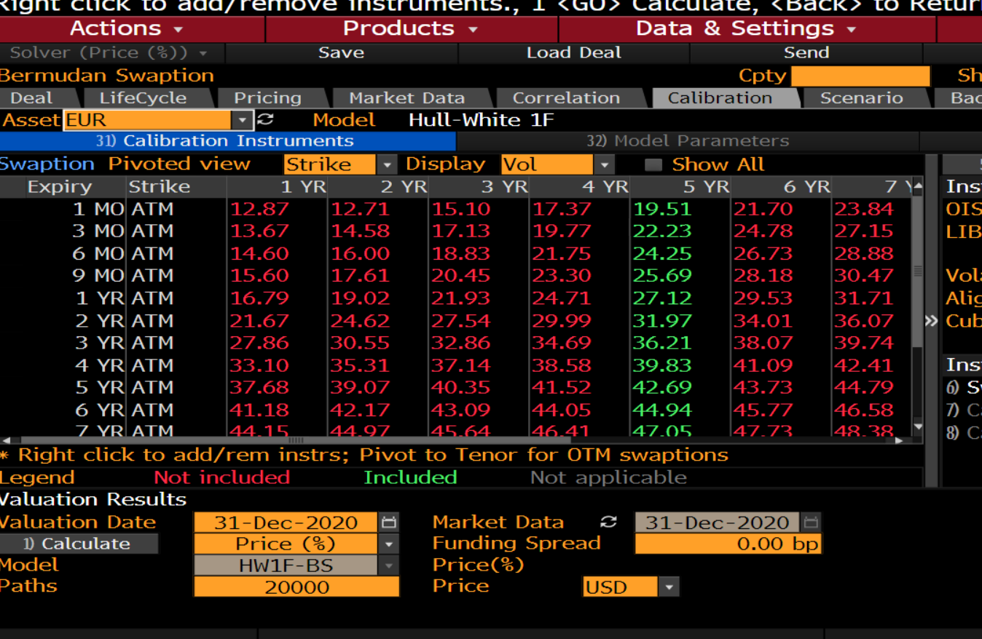
 |  |  |  | 3% alpha | 3%
 |  |  |  | Start Date | End Date | TTZ | Factor 1 Vol* | Xi | Expiry | HW sigma
 |  |  |  | 2020-12-31 | 2021-01-29 | 0.079452 | 0.21% | 3.5122005115E-07 | 0.083333333333 | 0.21%
 |  |  |  |  | 2021-03-31 | 0.25 | 0.25% | 1.552552205E-06 | 0.25 | 0.26%
 |  |  |  |  | 2021-06-30 | 0.50 | 0.28% | 3.9461961313E-06 | 0.5 | 0.29%
 | sigma | price | atm strike |  | 2021-09-30 | 0.75 | 0.41% | 1.2859343363E-05 | 0.75 | 0.31%
0.083333333333 | 0.001951 | 0.11125 |  |  | 2021-12-31 | 1.00 | 0.21% | 4.5449861711E-06 | 1 | 0.34%
0.25 | 0.002223 | 0.22364 |  |  | 2022-12-30 | 2.00 | 0.40% | 3.3916872643E-05 | 2 | 0.40%
0.5 | 0.002425 | 0.34616 |  |  | 2023-12-29 | 2.99 | 0.49% | 7.8703438582E-05 | 3 | 0.49%
0.75 | 0.002569 | 0.4512 |  |  | 2024-12-31 | 4.00 | 0.56% | 0.00014170743043 | 4 | 0.56%
1 | 0.002712 | 0.55088 | -0.407 |  | 2025-12-31 | 5.00 | 0.61% | 0.00021687911813 | 5 | 0.61%
2 | 0.003197 | 0.92164 | -0.3376 |  | 2026-12-31 | 6.00 | 0.65% | 0.00030501771993 | 6 | 0.65%
3 | 0.003621 | 1.28 | -0.2572 |  | 2027-12-31 | 7.00 | 0.70% | 0.00042611547948 | 7 | 0.70%
4 | 0.003983 | 1.64 | -0.1666 |  | 2028-12-29 | 7.99 | 0.70% | 0.000502549543 | 8 | 0.70%
5 | 0.004269 | 1.97 | -0.066 |  | 2029-12-30 | 9.00 | 0.73% | 0.00063550792438 | 9 | 0.73%
6 | 0.004494 | 2.27 | 0.0282 |  | 2030-12-31 | 10.00 | 0.76% | 0.0007912168295 | 10 | 0.76%
7 | 0.004705 | 2.57 | 0.1159 |  | 2032-12-31 | 12.00 | 0.72% | 0.00091082847006 | 12 | 0.71%
8 | 0.004834 | 2.82 | 0.1933 |  |  | 15.00 | 0.75% | 0.0013683779167 | 15 | 0.75%
9 | 0.004952 | 3.06 | 0.2536 |  |  | 20.00 | 0.77% | 0.0022926622058
10 | 0.005066 | 3.3 | 0.2914 |  |  | 25.00 | 0.80% | 0.003713801675
12 | 0.005095 | 3.62 | 0.3189
15 | 0.005127 | 4.06 | 0.2522
20 | 0.005059 |  |  | 1 bp alpha | 0.0001
25 | 0.004958 |  |  | Start Date | End Date | TTZ | Factor 1 Vol* | Factor 2 Vol* |  |  | Expiry | HW sigma
 |  |  |  | 12/31/2020 | 2021-01-29 | 0.08 | 0.20% | 3.1781074424E-07 |  | 3.18E-07 | 0.083333333333 | 0.001925405
 |  |  |  |  | 2021-03-31 | 0.25 | 0.24% | 1.4203089936E-06 |  | 1.4203089936E-06 | 0.25 | 0.002374935541
 |  |  |  |  | 2021-06-30 | 0.50 | 0.26% | 3.3523854169E-06 |  | 3.3523854169E-06 | 0.5 | 0.0026267322293
 |  |  |  |  | 2021-09-30 | 0.75 | 0.37% | 1.024013575E-05 |  | 1.024013575E-05 | 0.75 | 0.0028509697883
 |  |  |  |  | 2021-12-31 | 1.00 | 0.21% | 4.4104410294E-06 |  | 4.4104410294E-06 | 1 | 0.0031202666196
 |  |  |  |  | 2022-12-30 | 2.00 | 0.36% | 2.5866036976E-05 |  | 2.5866036976E-05 | 2 | 0.0036274211891
 |  |  |  |  | 2023-12-29 | 2.99 | 0.44% | 5.7951576935E-05 |  | 5.7951576935E-05 | 3 | 0.0043724525945
 |  |  |  |  | 2024-12-31 | 4.00 | 0.49% | 9.6038969413E-05 |  | 9.6038969413E-05 | 4 | 0.0049260080328
 |  |  |  |  | 2025-12-31 | 5.00 | 0.53% | 0.00014046893801 |  | 0.00014046893801 | 5 | 0.0052665203124
 |  |  |  |  | 2026-12-31 | 6.00 | 0.55% | 0.00018154972121 |  | 0.00018154972121 | 6 | 0.0054770527905
 |  |  |  |  | 2027-12-31 | 7.00 | 0.58% | 0.00023557574022 |  | 0.00023557574022 | 7 | 0.0057989036467
 |  |  |  |  | 2028-12-29 | 7.99 | 0.56% | 0.0002508515396 |  | 0.0002508515396 | 8 | 0.0056239324974
 |  |  |  |  | 2029-12-30 | 9.00 | 0.58% | 0.00030287581481 |  | 0.00030287581481 | 9 | 0.0057778867222
 |  |  |  |  | 2030-12-31 | 10.00 | 0.60% | 0.00036028841918 |  | 0.00036028841918 | 10 | 0.0059732491193
 |  |  |  |  | 2032-12-31 | 12.00 | 0.52% | 0.00032481832009 |  | 0.00032481832009 | 12 | 0.0052019221432
 |  |  |  |  |  | 121.00 | 0.53% | 0.0034404291307 |  | 0.0034404291307 | 15 | 0.0052817355159

USD
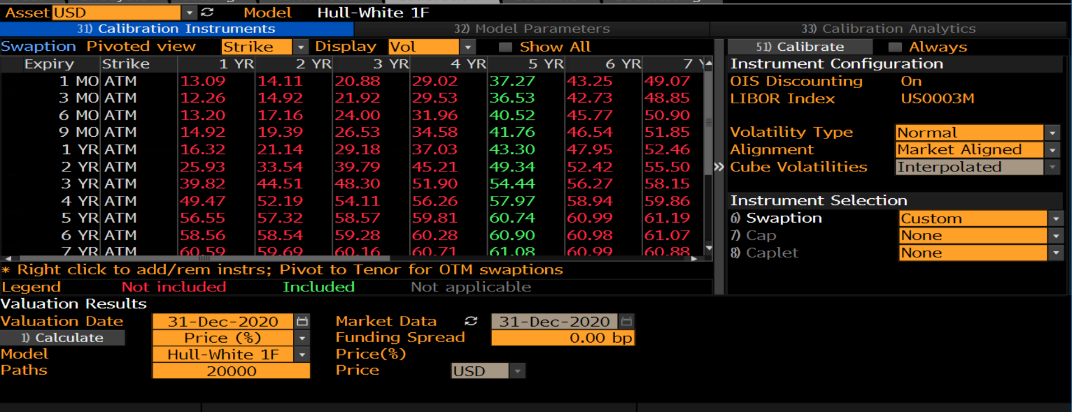

 |  |  |  |  |  |  |  |  |  |  | Expiry | Vol (bps) | Vol | atm rate | price
 |  |  |  |  |  |  |  |  |  |  | 0.083333333333 | 37.27 | 0.37% | 0.441 | 0.209
 |  |  |  |  |  |  |  |  |  |  | 0.25 | 36.53 | 0.37% | 0.4696 | 0.36034
 |  |  |  |  |  |  |  |  |  |  | 0.5 | 40.52 | 0.41%
 |  |  |  |  |  |  |  |  |  |  | 0.75 | 41.76 | 0.42%
 |  |  |  |  |  |  |  |  |  |  | 1 | 43.3 | 0.43%
 |  |  |  |  |  |  |  |  |  |  | 2 | 49.34 | 0.49%
 |  |  |  |  |  |  |  |  |  |  | 3 | 54.44 | 0.54%
 |  |  |  |  |  |  |  |  |  |  | 4 | 57.97 | 0.58%
 |  |  |  |  |  |  |  |  |  |  | 5 | 60.74 | 0.61%
 |  |  |  |  |  |  |  |  |  |  | 6 | 60.9 | 0.61%
 |  |  |  |  |  |  |  |  |  |  | 7 | 61.08 | 0.61%
 |  |  |  |  |  |  |  |  |  |  | 8 | 60.58 | 0.61%
 |  |  |  |  |  |  |  |  |  |  | 9 | 60.04 | 0.60%
 |  |  |  |  |  |  |  |  |  |  | 10 | 59.49 | 0.59%
 |  |  |  |  |  |  |  |  |  |  | 12 | 58.28 | 0.58%
 |  |  |  |  |  |  |  |  |  |  | 15 | 56.47 | 0.56%
 |  |  |  |  |  |  |  |  |  |  | 20 | 53.12 | 0.53%
 |  |  |  |  |  |  |  |  |  |  | 25 | 50.12 | 0.50%

 | Alpha | 3% |  |  |  |  |  | Alpha | 0.01%
1.2920087281E-06 | Start Date | End Date | Expiry | Factor 1 Vol* | zeta | Expiry | HW sigma | Start Date | End Date | Expiry | Factor 1 Vol* | Expiry | HW sigma
 | 2020-12-31 | 2021-01-29 | 0.08 | 0.40% | 1.2920087281E-06 | 0.083333333333 | 0.0040105394731 | 2020-12-31 | 2021-01-29 | 0.08 | 0.37% | 0.083333333333 | 0.0037281787388
 |  | 2021-03-31 | 0.25 | 0.39% | 3.894954811E-06 | 0.25 | 0.0039174649803 |  | 2021-03-31 | 0.25 | 0.36% | 0.25 | 0.0036175643855
 |  | 2021-06-30 | 0.50 | 0.48% | 9.7860790367E-06 | 0.5 | 0.0048027547172 |  | 2021-06-30 | 0.50 | 0.44% | 0.5 | 0.0044222974844
 |  | 2021-09-30 | 0.75 | 0.48% | 1.5766236204E-05 | 0.75 | 0.0048355416487 |  | 2021-09-30 | 0.75 | 0.44% | 0.75 | 0.0044213018992
 |  | 2021-12-31 | 1.00 | 0.52% | 2.2890684314E-05 | 1 | 0.0052408641305 |  | 2021-12-31 | 1.00 | 0.47% | 1 | 0.00477025822
 |  | 2022-12-30 | 2.00 | 0.61% | 6.361101682E-05 | 2 | 0.0060885506582 |  | 2022-12-30 | 2.00 | 0.55% | 2 | 0.0054758002557
 |  | 2023-12-29 | 3.00 | 0.71% | 0.00012202023688 | 3 | 0.0071489682995 |  | 2023-12-29 | 3.00 | 0.63% | 3 | 0.0063263304578
 |  | 2024-12-31 | 4.00 | 0.77% | 0.00019537313989 | 4 | 0.0077301166816 |  | 2024-12-31 | 4.00 | 0.67% | 4 | 0.0067065944532
 |  | 2025-12-31 | 5.00 | 0.83% | 0.00028563012802 | 5 | 0.0082407402047 |  | 2025-12-31 | 5.00 | 0.70% | 5 | 0.0070161330931
 |  | 2026-12-31 | 6.00 | 0.76% | 0.00036598449901 | 6 | 0.0075508399206 |  | 2026-12-31 | 6.00 | 0.61% | 6 | 0.0061020655213
 |  | 2027-12-31 | 7.00 | 0.78% | 0.00045585749005 | 7 | 0.0077585622161 |  | 2027-12-31 | 7.00 | 0.62% | 7 | 0.0061444806852
 |  | 2028-12-29 | 8.00 | 0.75% | 0.00054383579313 | 8 | 0.0074342034474 |  | 2028-12-29 | 8.00 | 0.57% | 8 | 0.0056056800499
 |  | 2029-12-30 | 9.00 | 0.75% | 0.00063777496495 | 9 | 0.0074771526571 |  | 2029-12-30 | 9.00 | 0.55% | 9 | 0.0054894013675
 |  | 2030-12-31 | 10.00 | 0.75% | 0.00073725490702 | 10 | 0.0075323958005 |  | 2030-12-31 | 10.00 | 0.54% | 10 | 0.0053938891453
 |  | 2032-12-31 | 12.00 | 0.76% | 0.00096089624596 | 12 | 0.0075162527914 |  | 2032-12-31 | 12.00 | 0.52% | 12 | 0.0051372390908
 |  | 2035-12-31 | 15.00 | 0.76% | 0.0013509398035 | 15 | 0.0075889432048 |  | 2035-12-31 | 15.00 | 0.48% | 15 | 0.0048615485918
 |  | 2040-12-31 | 20.00 | 0.75% | 0.0021576715019 | 20 | 0.0074481314022 |  | 2040-12-31 | 20.00 | 0.41% | 20 | 0.0041317297512
 |  |  | 121.00 | 0.75% | 1.3326328116 | 25 | 0.007450645536 |  |  | 121.00 | 0.36% | 25 | 0.0035666476639

EURUSD 3 PERC
